readme
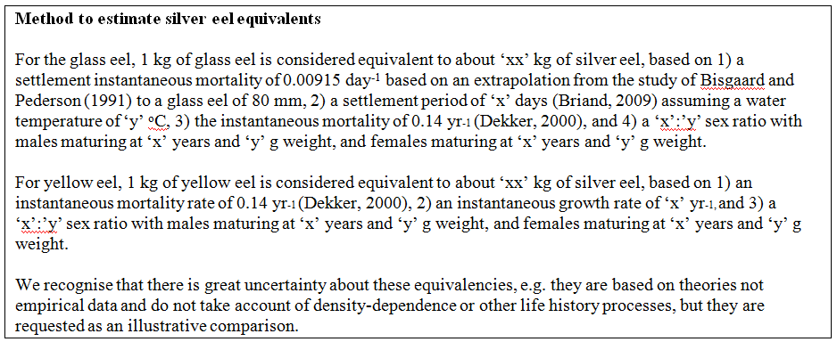
 | Fill in a data series in the mortality estimates_SEE sheet, using the definitions found below.
"catch_landings" sheet column headers | Explanation of header and name of sheet providing codes
eel_typ_id | type of series see tr_typeseries_ser
eel_year | year
eel_value | Value, note zero means 0 not no data, leave void if you want to qualify why data are missing
eel_missvaluequal | Qualification for missing values, only use if eel_value is null. NR not reported, NC not collected, NP not pertinent, ND no data
eel_emu_nameshort | Code of emu see tr_emu_emu. In case you provide data for each EMU separately then you don't need to fill in for AL and vice versa
eel_cou_code | Code of country see tr_country_cou
eel_lfs_code | Code of lifestage see tr_lifestage_lfs possible values G, Y, S, GY, YS
eel_hty_code | Code of habitat type see eel_hty_code (F=Freshwater, MO=Marine Open,T=transitional, AL=aggregate...)
eel_area_division | Fao code of sea region (division level) see tr_fao_area (column division)(https://github.com/ices-eg/WGEEL/wiki). These codes are for use only in the case of Coastal and Marine Open waters – otherwise you can leave it blank. ICES statistical rectangles (http://gis.ices.dk/sf/index.html?widget=StatRec) and FAO areas map (http://www.fao.org/fishery/area/search/en)
eel_comment | Comment on data

tr_faoareas
fid | f_level | f_code | f_status | ocean | subocean | f_area | f_subarea | f_division
227 | DIVISION | 21.0.A | 1 | Atlantic | 2 | 21 | 21 | 21.0.A
230 | DIVISION | 21.0.B | 1 | Atlantic | 2 | 21 | 21 | 21.0.B | Please check also the maps provided by ICES
228 | DIVISION | 21.1.A | 1 | Atlantic | 2 | 21 | 21.1 | 21.1.A | ICES statistical rectangles | http://gis.ices.dk/sf/index.html?widget=StatRec
229 | DIVISION | 21.1.B | 1 | Atlantic | 2 | 21 | 21.1 | 21.1.B | FAO areas map | http://www.fao.org/fishery/area/search/en
231 | DIVISION | 21.1.C | 1 | Atlantic | 2 | 21 | 21.1 | 21.1.C
195 | DIVISION | 21.1.D | 1 | Atlantic | 2 | 21 | 21.1 | 21.1.D | These codes are for use only in the case of Coatsal and Marine Open waters – otherwise you can leave it
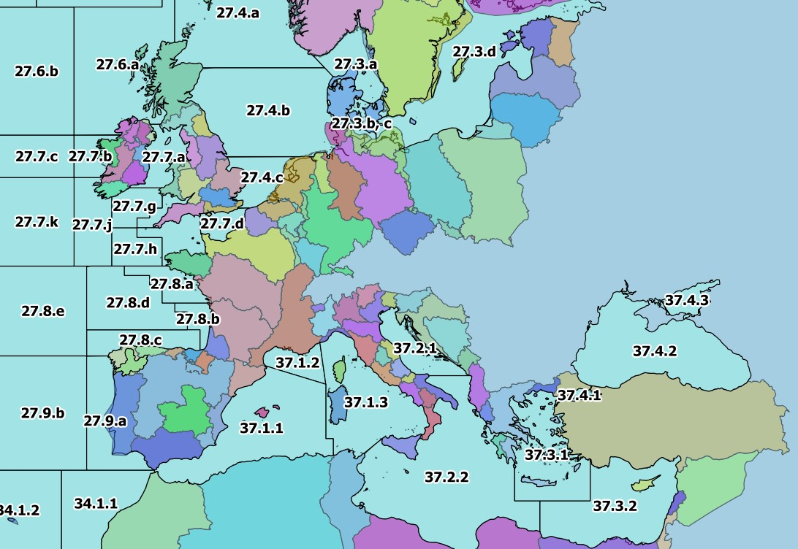
196 | DIVISION | 21.1.E | 1 | Atlantic | 2 | 21 | 21.1 | 21.1.E
198 | DIVISION | 21.1.F | 1 | Atlantic | 2 | 21 | 21.1 | 21.1.F
197 | DIVISION | 21.2.G | 1 | Atlantic | 2 | 21 | 21.2 | 21.2.G
199 | DIVISION | 21.2.H | 1 | Atlantic | 2 | 21 | 21.2 | 21.2.H
235 | DIVISION | 21.2.J | 1 | Atlantic | 2 | 21 | 21.2 | 21.2.J
234 | DIVISION | 21.3.K | 1 | Atlantic | 2 | 21 | 21.3 | 21.3.K
239 | DIVISION | 21.3.L | 1 | Atlantic | 2 | 21 | 21.3 | 21.3.L
200 | DIVISION | 21.3.M | 1 | Atlantic | 2 | 21 | 21.3 | 21.3.M
218 | DIVISION | 21.3.N | 1 | Atlantic | 2 | 21 | 21.3 | 21.3.N
201 | DIVISION | 21.3.O | 1 | Atlantic | 2 | 21 | 21.3 | 21.3.O
240 | DIVISION | 21.3.P | 1 | Atlantic | 2 | 21 | 21.3 | 21.3.P
238 | DIVISION | 21.4.R | 1 | Atlantic | 2 | 21 | 21.4 | 21.4.R
233 | DIVISION | 21.4.S | 1 | Atlantic | 2 | 21 | 21.4 | 21.4.S
243 | DIVISION | 21.4.T | 1 | Atlantic | 2 | 21 | 21.4 | 21.4.T
219 | DIVISION | 21.4.V | 1 | Atlantic | 2 | 21 | 21.4 | 21.4.V
232 | DIVISION | 21.4.W | 1 | Atlantic | 2 | 21 | 21.4 | 21.4.W
241 | DIVISION | 21.4.X | 1 | Atlantic | 2 | 21 | 21.4 | 21.4.X
242 | DIVISION | 21.5.Y | 1 | Atlantic | 2 | 21 | 21.5 | 21.5.Y
220 | DIVISION | 21.5.Z | 1 | Atlantic | 2 | 21 | 21.5 | 21.5.Z
236 | DIVISION | 21.6.A | 1 | Atlantic | 2 | 21 | 21.6 | 21.6.A
221 | DIVISION | 21.6.B | 1 | Atlantic | 2 | 21 | 21.6 | 21.6.B
237 | DIVISION | 21.6.C | 1 | Atlantic | 2 | 21 | 21.6 | 21.6.C
222 | DIVISION | 21.6.D | 1 | Atlantic | 2 | 21 | 21.6 | 21.6.D
223 | DIVISION | 21.6.E | 1 | Atlantic | 2 | 21 | 21.6 | 21.6.E
224 | DIVISION | 21.6.F | 1 | Atlantic | 2 | 21 | 21.6 | 21.6.F
225 | DIVISION | 21.6.G | 1 | Atlantic | 2 | 21 | 21.6 | 21.6.G
226 | DIVISION | 21.6.H | 1 | Atlantic | 2 | 21 | 21.6 | 21.6.H
267 | DIVISION | 27.1.a | 1 | Atlantic | 2 | 27 | 27.1 | 27.1.a
275 | DIVISION | 27.1.b | 1 | Atlantic | 2 | 27 | 27.1 | 27.1.b
171 | DIVISION | 27.10.a | 1 | Atlantic | 2 | 27 | 27.1 | 27.10.a
215 | DIVISION | 27.10.b | 1 | Atlantic | 2 | 27 | 27.1 | 27.10.b
262 | DIVISION | 27.12.a | 1 | Atlantic | 2 | 27 | 27.12 | 27.12.a
116 | DIVISION | 27.12.b | 1 | Atlantic | 2 | 27 | 27.12 | 27.12.b
253 | DIVISION | 27.12.c | 1 | Atlantic | 2 | 27 | 27.12 | 27.12.c
268 | DIVISION | 27.14.a | 1 | Atlantic | 2 | 27 | 27.14 | 27.14.a
264 | DIVISION | 27.14.b | 1 | Atlantic | 2 | 27 | 27.14 | 27.14.b
265 | DIVISION | 27.2.a | 1 | Atlantic | 2 | 27 | 27.2 | 27.2.a
266 | DIVISION | 27.2.b | 1 | Atlantic | 2 | 27 | 27.2 | 27.2.b
277 | DIVISION | 27.3.a | 1 | Atlantic | 2 | 27 | 27.3 | 27.3.a
258 | DIVISION | 27.3.b, c | 1 | Atlantic | 2 | 27 | 27.3 | 27.3.b, c
257 | DIVISION | 27.3.d | 1 | Atlantic | 2 | 27 | 27.3 | 27.3.d
274 | DIVISION | 27.4.a | 1 | Atlantic | 2 | 27 | 27.4 | 27.4.a
259 | DIVISION | 27.4.b | 1 | Atlantic | 2 | 27 | 27.4 | 27.4.b
255 | DIVISION | 27.4.c | 1 | Atlantic | 2 | 27 | 27.4 | 27.4.c
263 | DIVISION | 27.5.a | 1 | Atlantic | 2 | 27 | 27.5 | 27.5.a
261 | DIVISION | 27.5.b | 1 | Atlantic | 2 | 27 | 27.5 | 27.5.b
271 | DIVISION | 27.6.a | 1 | Atlantic | 2 | 27 | 27.6 | 27.6.a
260 | DIVISION | 27.6.b | 1 | Atlantic | 2 | 27 | 27.6 | 27.6.b
273 | DIVISION | 27.7.a | 1 | Atlantic | 2 | 27 | 27.7 | 27.7.a
272 | DIVISION | 27.7.b | 1 | Atlantic | 2 | 27 | 27.7 | 27.7.b
256 | DIVISION | 27.7.c | 1 | Atlantic | 2 | 27 | 27.7 | 27.7.c
270 | DIVISION | 27.7.d | 1 | Atlantic | 2 | 27 | 27.7 | 27.7.d
269 | DIVISION | 27.7.e | 1 | Atlantic | 2 | 27 | 27.7 | 27.7.e
251 | DIVISION | 27.7.f | 1 | Atlantic | 2 | 27 | 27.7 | 27.7.f
252 | DIVISION | 27.7.g | 1 | Atlantic | 2 | 27 | 27.7 | 27.7.g
250 | DIVISION | 27.7.h | 1 | Atlantic | 2 | 27 | 27.7 | 27.7.h
249 | DIVISION | 27.7.j | 1 | Atlantic | 2 | 27 | 27.7 | 27.7.j
254 | DIVISION | 27.7.k | 1 | Atlantic | 2 | 27 | 27.7 | 27.7.k
248 | DIVISION | 27.8.a | 1 | Atlantic | 2 | 27 | 27.8 | 27.8.a
214 | DIVISION | 27.8.b | 1 | Atlantic | 2 | 27 | 27.8 | 27.8.b
213 | DIVISION | 27.8.c | 1 | Atlantic | 2 | 27 | 27.8 | 27.8.c
217 | DIVISION | 27.8.d | 1 | Atlantic | 2 | 27 | 27.8 | 27.8.d
216 | DIVISION | 27.8.e | 1 | Atlantic | 2 | 27 | 27.8 | 27.8.e
212 | DIVISION | 27.9.a | 1 | Atlantic | 2 | 27 | 27.9 | 27.9.a
172 | DIVISION | 27.9.b | 1 | Atlantic | 2 | 27 | 27.9 | 27.9.b
123 | DIVISION | 34.1.1 | 1 | Atlantic | 3 | 34 | 34.1 | 34.1.1
122 | DIVISION | 34.1.2 | 1 | Atlantic | 3 | 34 | 34.1 | 34.1.2
126 | DIVISION | 34.1.3 | 1 | Atlantic | 3 | 34 | 34.1 | 34.1.3
134 | DIVISION | 34.3.1 | 1 | Atlantic | 3 | 34 | 34.3 | 34.3.1
132 | DIVISION | 34.3.2 | 1 | Atlantic | 3 | 34 | 34.3 | 34.3.2
142 | DIVISION | 34.3.3 | 1 | Atlantic | 3 | 34 | 34.3 | 34.3.3
144 | DIVISION | 34.3.4 | 1 | Atlantic | 3 | 34 | 34.3 | 34.3.4
145 | DIVISION | 34.3.5 | 1 | Atlantic | 3 | 34 | 34.3 | 34.3.5
178 | DIVISION | 34.3.6 | 1 | Atlantic | 3 | 34 | 34.3 | 34.3.6
158 | DIVISION | 34.4.1 | 1 | Atlantic | 3 | 34 | 34.4 | 34.4.1
131 | DIVISION | 34.4.2 | 1 | Atlantic | 3 | 34 | 34.4 | 34.4.2
177 | DIVISION | 37.1.1 | 1 | Atlantic | 3 | 37 | 37.1 | 37.1.1
114 | DIVISION | 37.1.2 | 1 | Atlantic | 3 | 37 | 37.1 | 37.1.2
115 | DIVISION | 37.1.3 | 1 | Atlantic | 3 | 37 | 37.1 | 37.1.3
117 | DIVISION | 37.2.1 | 1 | Atlantic | 3 | 37 | 37.2 | 37.2.1
118 | DIVISION | 37.2.2 | 1 | Atlantic | 3 | 37 | 37.2 | 37.2.2
119 | DIVISION | 37.3.1 | 1 | Atlantic | 3 | 37 | 37.3 | 37.3.1
121 | DIVISION | 37.3.2 | 1 | Atlantic | 3 | 37 | 37.3 | 37.3.2
120 | DIVISION | 37.4.1 | 1 | Atlantic | 3 | 37 | 37.4 | 37.4.1
112 | DIVISION | 37.4.2 | 1 | Atlantic | 3 | 37 | 37.4 | 37.4.2
113 | DIVISION | 37.4.3 | 1 | Atlantic | 3 | 37 | 37.4 | 37.4.3
148 | DIVISION | 41.1.1 | 1 | Atlantic | 4 | 41 | 41.1 | 41.1.1
150 | DIVISION | 41.1.2 | 1 | Atlantic | 4 | 41 | 41.1 | 41.1.2
151 | DIVISION | 41.1.3 | 1 | Atlantic | 4 | 41 | 41.1 | 41.1.3
157 | DIVISION | 41.1.4 | 1 | Atlantic | 4 | 41 | 41.1 | 41.1.4
156 | DIVISION | 41.2.1 | 1 | Atlantic | 4 | 41 | 41.2 | 41.2.1
163 | DIVISION | 41.2.2 | 1 | Atlantic | 4 | 41 | 41.2 | 41.2.2
175 | DIVISION | 41.2.3 | 1 | Atlantic | 4 | 41 | 41.2 | 41.2.3
169 | DIVISION | 41.2.4 | 1 | Atlantic | 4 | 41 | 41.2 | 41.2.4
176 | DIVISION | 41.3.1 | 1 | Atlantic | 4 | 41 | 41.3 | 41.3.1
189 | DIVISION | 41.3.2 | 1 | Atlantic | 4 | 41 | 41.3 | 41.3.2
170 | DIVISION | 41.3.3 | 1 | Atlantic | 4 | 41 | 41.3 | 41.3.3
202 | DIVISION | 47.1.1 | 1 | Atlantic | 4 | 47 | 47.1 | 47.1.1
203 | DIVISION | 47.1.2 | 1 | Atlantic | 4 | 47 | 47.1 | 47.1.2
208 | DIVISION | 47.1.3 | 1 | Atlantic | 4 | 47 | 47.1 | 47.1.3
209 | DIVISION | 47.1.4 | 1 | Atlantic | 4 | 47 | 47.1 | 47.1.4
210 | DIVISION | 47.1.5 | 1 | Atlantic | 4 | 47 | 47.1 | 47.1.5
211 | DIVISION | 47.1.6 | 1 | Atlantic | 4 | 47 | 47.1 | 47.1.6
207 | DIVISION | 47.2.1 | 1 | Atlantic | 4 | 47 | 47.2 | 47.2.1
206 | DIVISION | 47.2.2 | 1 | Atlantic | 4 | 47 | 47.2 | 47.2.2
193 | DIVISION | 47.A.0 | 1 | Atlantic | 4 | 47 | 47.A | 47.A.0
194 | DIVISION | 47.A.1 | 1 | Atlantic | 4 | 47 | 47.A | 47.A.1
247 | DIVISION | 47.B.0 | 1 | Atlantic | 4 | 47 | 47.B | 47.B.0
245 | DIVISION | 47.B.1 | 1 | Atlantic | 4 | 47 | 47.B | 47.B.1
204 | DIVISION | 47.C.0 | 1 | Atlantic | 4 | 47 | 47.C | 47.C.0
246 | DIVISION | 47.C.1 | 1 | Atlantic | 4 | 47 | 47.C | 47.C.1
205 | DIVISION | 47.D.0 | 1 | Atlantic | 4 | 47 | 47.D | 47.D.0
244 | DIVISION | 47.D.1 | 1 | Atlantic | 4 | 47 | 47.D | 47.D.1
152 | DIVISION | 57.5.1 | 1 | Indian | 5 | 57 | 57.5 | 57.5.1
159 | DIVISION | 57.5.2 | 1 | Indian | 5 | 57 | 57.5 | 57.5.2
191 | DIVISION | 58.4.1 | 1 | Indian | 10 | 58 | 58.4 | 58.4.1
190 | DIVISION | 58.4.2 | 1 | Indian | 10 | 58 | 58.4 | 58.4.2
192 | DIVISION | 58.4.3 | 1 | Indian | 10 | 58 | 58.4 | 58.4.3
174 | DIVISION | 58.4.4 | 1 | Indian | 10 | 58 | 58.4 | 58.4.4
168 | DIVISION | 58.5.1 | 1 | Indian | 10 | 58 | 58.5 | 58.5.1
173 | DIVISION | 58.5.2 | 1 | Indian | 10 | 58 | 58.5 | 58.5.2
133 | DIVISION | 71.6.1 | 1 | Pacific | 7 | 71 | _71.6 | 71.6.1
130 | DIVISION | 71.6.2 | 1 | Pacific | 7 | 71 | _71.6 | 71.6.2
143 | DIVISION | 87.1.1 | 1 | Pacific | 8 | 87 | 87.1 | 87.1.1
146 | DIVISION | 87.1.2 | 1 | Pacific | 8 | 87 | 87.1 | 87.1.2
149 | DIVISION | 87.1.3 | 1 | Pacific | 8 | 87 | 87.1 | 87.1.3
147 | DIVISION | 87.1.4 | 1 | Pacific | 8 | 87 | 87.1 | 87.1.4
155 | DIVISION | 87.2.1 | 1 | Pacific | 8 | 87 | 87.2 | 87.2.1
154 | DIVISION | 87.2.2 | 1 | Pacific | 8 | 87 | 87.2 | 87.2.2
160 | DIVISION | 87.2.3 | 1 | Pacific | 8 | 87 | 87.2 | 87.2.3
164 | DIVISION | 87.2.4 | 1 | Pacific | 8 | 87 | 87.2 | 87.2.4
162 | DIVISION | 87.2.5 | 1 | Pacific | 8 | 87 | 87.2 | 87.2.5
153 | DIVISION | 87.2.6 | 1 | Pacific | 8 | 87 | 87.2 | 87.2.6
167 | DIVISION | 87.3.1 | 1 | Pacific | 8 | 87 | 87.3 | 87.3.1
166 | DIVISION | 87.3.2 | 1 | Pacific | 8 | 87 | 87.3 | 87.3.2
165 | DIVISION | 87.3.3 | 1 | Pacific | 8 | 87 | 87.3 | 87.3.3

